Sheet1
Social Care Top 30, Leadership and Premier Supplier Awards 2026
Tuesday October 13th 2026
London Marriott Hotel Grosvenor Square
GALA NIGHT BOOKING FORM

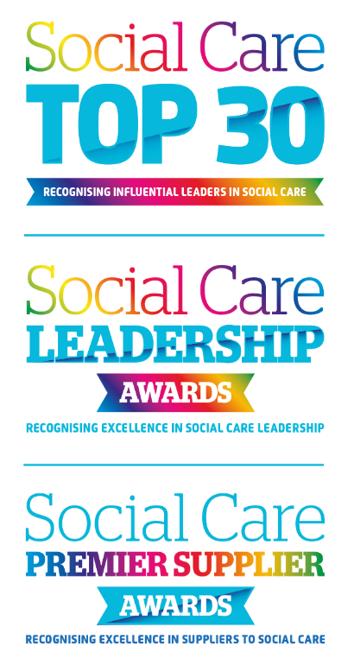
Lead Name

Organisation Name

Address

Telephone

E-mail

Please indicate package required: | Please indicate no of tables / places:

Table of 10 £2, 300.00 plus vat

Individual Place £250.00 plus vat

An invoice will be sent when booking the form is received. All bookings must be completed by the 30th September 2026

All bookings are non refundable.

All payments due upon receipt of invoice

Please complete this form and return to catherine@care-awards.co.uk

E-mail: catherine@care-awards.co.uk www.caretalk.co.uk

